Pricing Logic
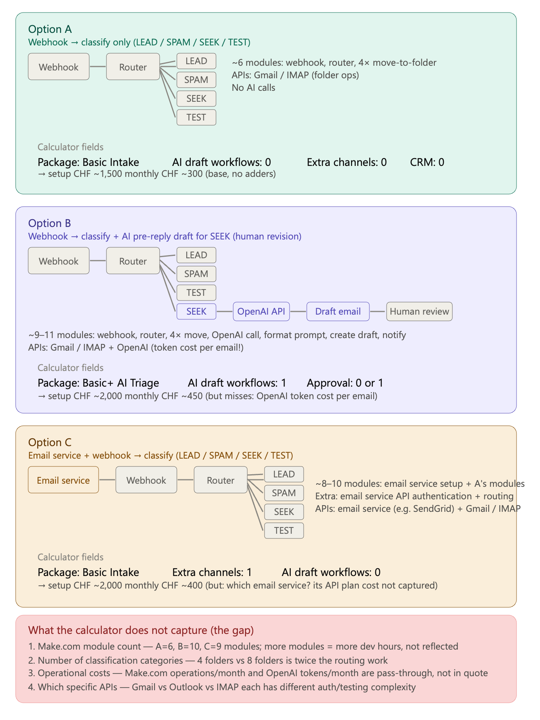
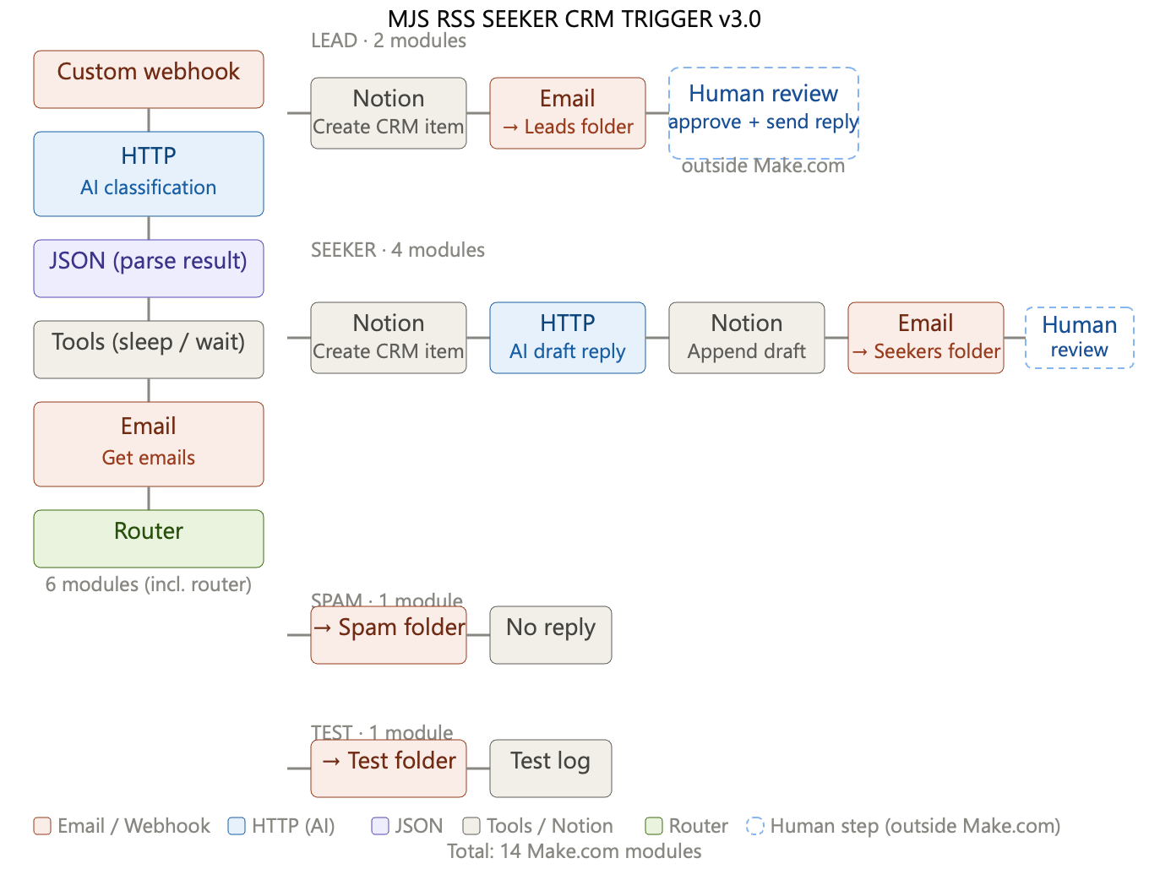
Q | great, but that all has to be calculated before giving Client price
A | Yes, exactly. These “count” fields must be estimated before giving the final client price.
 | But not too early.

 | Correct order

 | 1. After Phase 1 — Discovery

 | You can give only a rough price direction:
 | Based on current understanding, this looks like a Basic+ / Pro project, likely in the range of CHF X–Y setup and CHF X–Y/month.
 | At this point, counts are still approximate.

 | 2. After Phase 2 — Scope / MVP Design

 | Now you can calculate more seriously.
 | Because Phase 2 defines:
 | included channels
 | excluded channels
 | AI draft workflows
 | CRM/database needs
 | approval workflows
 | reporting
 | access model
 | support model
 | This is where you fill the Quote Calculator.

 | 3. After Phase 3 — Solution Blueprint

 | Now you can give the confirmed offer.
 | Because by then you know:
 | exact workflow
 | exact tools
 | routing logic
 | risk level
 | error handling
 | access/security needs
 | build effort

 | Practical rule

 | Use the calculator like this:

 | Project moment | Price type
 | Before discovery | no real price, only starting-from package
 | After Phase 1 | rough estimate
 | After Phase 2 | proposed quote
 | After Phase 3 | confirmed final offer
 | After changes | change request / extra cost

 | For client communication

 | I would say:
 | After the discovery call, I can give you an indicative range. The final fixed price is confirmed after we define the MVP scope and automation boundaries.
 | This protects you from underpricing.

 | Internally

 | The calculator is mainly used after Phase 2.

 | Phase 1 gives you raw answers.
 | Phase 2 converts them into counts.
 | Then the Quote Calculator gives the price.

 | So yes: before giving the client a serious price, you must first define the counts and package/access model.

 | Direct Email Intake Branch — Pricing Logic / Change Request
 | Purpose | Price logic | Setup add | Monthly add | When to use
 | Simple direct-email branch | Add one direct inbox trigger and send messages into the existing classifier after basic normalization. | CHF 500–900 | CHF 100–200 | Client has one inbox and wants same classification logic as website form.
 | Direct email + filters/logging | Add inbox trigger, normalization, sender/message metadata, duplicate prevention, routing labels/folders, error path and logging. | CHF 900–1’500 | CHF 150–300 | Most realistic business version; recommended default for client quote.
 | Direct email + draft / approval logic | Add email-specific draft replies, approval handling, status tracking and safer exception handling. | CHF 1’500–2’500 | CHF 300–500 | Client expects AI-assisted replies or approval workflow, not only classification.
 | Pricing rule | If defined before project start, include it in the package scope and count it as an additional intake channel/source. If requested later, price it as a change request. | Usually +CHF 900–1’500 | Usually +CHF 150–300/month | Use this rule when scope expands from webhook-only to inbox + webhook.
 | Commercial note | This is not only “add Gmail trigger”. It adds a second source, normalization, deduplication, routing reliability, testing and support responsibility. |  |  | This explains why the add-on has both setup and monthly impact.

Q | how this modification enable us to define properly for price calculation each wished or considered, or offered automation?
A | Good question — this is the core workflow gap. The calculator fields give you the inputs, but you still need a clear rule for how to read any automation and translate it into those fields. Here's the complete mapping logic:

 | Step 1 — Pick the package (C5) by overall complexity

 | Automation complexity | Package
 | Single channel, classify/route only, no AI | Basic Intake
 | Single channel, classify + 1 AI draft type | Basic+ AI Triage
 | Multiple channels or sources, classify + AI | Pro Multi-Channel
 | Full ops: multi-channel, AI, CRM, monitoring | Managed Operations
 | Autonomous agents, self-healing flows | Agentic Automation

 | Step 2 — Fill the count fields by scanning the Make.com scenario

 | Go through the scenario module by module and ask one question per field:

 | Extra channels (C16): how many separate inbound sources exist beyond the one included in the package? Count each distinct webhook endpoint or app trigger.
 | AI draft workflows (C17): how many distinct HTTP→OpenAI/Claude calls exist? Count per draft type, not per email processed.
 | CRM integrations (C18): how many different external database systems are written to or read from? Count per system, not per module.
 | Approval workflows (C19): how many places does the scenario pause and wait for a human before acting?
 | Reporting layer (C20): is there a structured output to a dashboard or analytics view?

 | Step 3 — Set the multipliers (C21–C22) by project context

 | These aren't about the automation itself — they're about the client and delivery situation. Sensitive data and urgency are commercial decisions, not technical ones.

 | Step 4 — Choose access and support models (C6, C7) by the commercial arrangement

 | C6 answers who owns the automation after delivery
 | C7 answers what ongoing support level is agreed

 | Step 5 — Add operational costs to C26

 | After filling all count fields, estimate and add Make.com operations + API token budget as a monthly pass-through in C26.

 | Applied to your three options, the inputs would be:

 | Field | Option A (classify only) | Option B (classify + AI draft) | Option C (email service + classify) | MG Red Shift
 | C5 Package | Basic Intake | Basic+ AI Triage | Basic Intake | Basic Intake
 | C16 Extra channels | 0 | 0 | 1 | 0
 | C17 AI draft | 0 | 1 | 0 | 1
 | C18 CRM | 0 | 0 | 0 | 1
 | C19 Approval | 0 | 1 | 0 | 1
 | C20 Reporting | 0 | 0 | 0 | 0
 | C26 ops/month | CHF 15–20 | CHF 25–45 | CHF 20–30 | CHF 30–60

 | The calculator can then price each of these as a distinct configuration just by changing those six inputs — which is exactly what the modified D and F columns now guide you through, step by step, for any new automation you design or propose.

